Supplier Instructions
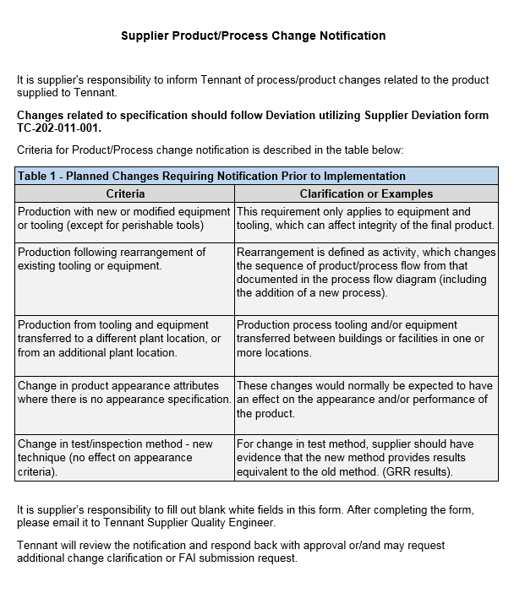

Doc#: TC-203-01-010* Rev: 0.0 02/26/2019 *also update the following location after an ISO rev, use the Web Change Request to submit new documents to update https://www.tennantco.com/en_us/about-us/suppliers.html

Tennant Instructions
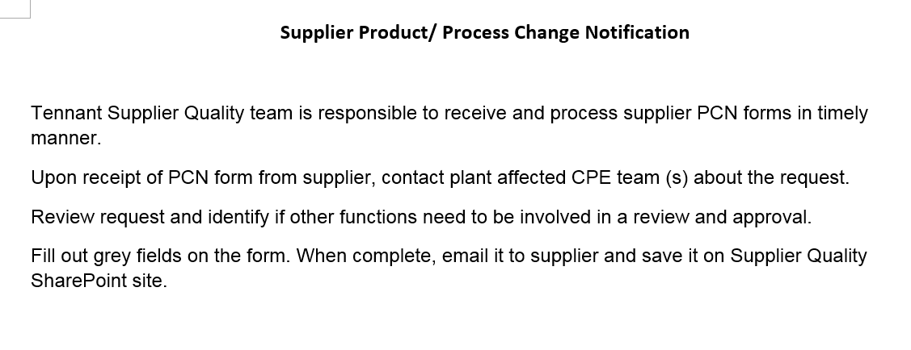

Doc#: TC-203-01-010* Rev: 0.0 02/26/2019 *also update the following location after an ISO rev, use the Web Change Request to submit new documents to update https://www.tennantco.com/en_us/about-us/suppliers.html

